1-1 ratio
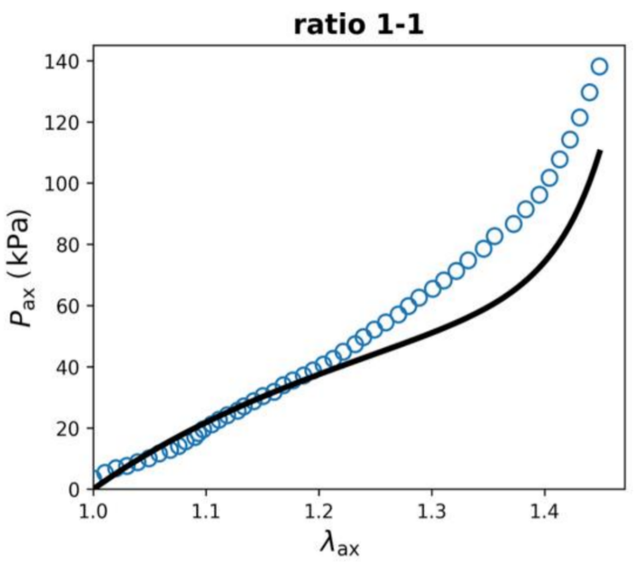
 | 3.904511615
1.02 | 5.685246133
1.03 | 7.500510606
1.04 | 9.161150201
1.05 | 10.07051238
1.06 | 10.90523625
1.07 | 12.57316445
1.08 | 14.21120452
1.09 | 15.93852568
1.1 | 17.68626484
1.11 | 20.44479562
1.12 | 23.30932637
1.13 | 24.61163006
1.14 | 26.11964273
1.15 | 28.7896349
1.16 | 30.36292983
1.17 | 32.0380379
1.18 | 34.21199157
1.19 | 35.91262343
1.2 | 38.14128245
1.21 | 39.92420048 | First column represents Stretch(mm/mm), and the second column represents Stress (KPa)
1.22 | 41.99477657
1.23 | 43.72382242
1.24 | 45.51451669
1.25 | 47.6236924
1.26 | 49.81442231
1.27 | 51.77189078
1.28 | 54.07426834
1.29 | 58.81700876
1.3 | 61.66409386
1.31 | 62.82848646
1.32 | 65.74808355
1.33 | 68.52079739
1.34 | 71.30248203
1.35 | 74.86424685
1.36 | 76.93850718
1.37 | 81.3493838
1.38 | 82.91413483
1.39 | 86.50751107
1.4 | 89.24194442
1.41 | 91.38745084
1.42 | 95.85373279
1.43 | 104.0348471
1.44 | 111.5990602
1.45 | 118.8934655
1.46 | 126.908772
1.47 | 134.0019959
1.48 | 136.2262215

2-1 ratio
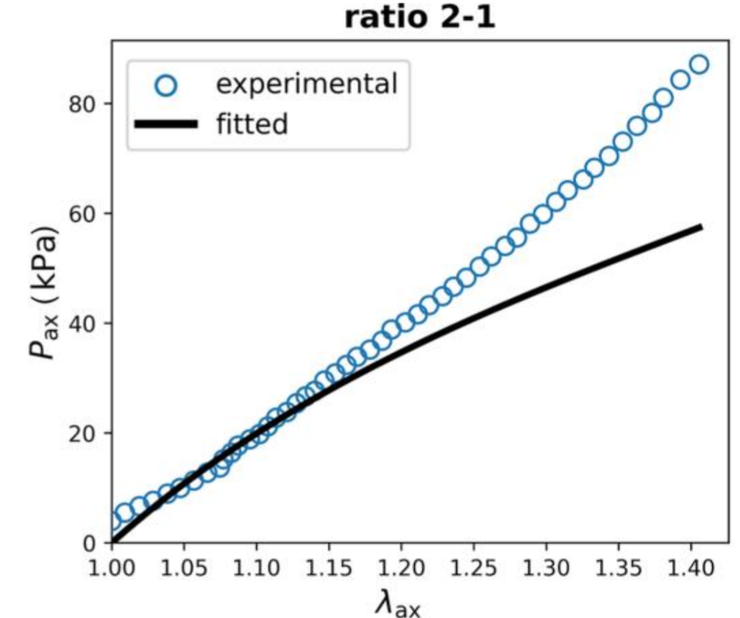
1.008 | 4.731904857
1.016 | 5.354405897
1.024 | 7.071709586
1.032 | 8.234258563
1.04 | 8.677194239
1.048 | 10.28393951
1.056 | 11.57177046
1.064 | 12.67503853
1.072 | 13.75402943
1.08 | 14.83571228
1.088 | 17.07454954
1.096 | 19.27561514
1.104 | 20.58301842
1.112 | 21.84860488
1.12 | 23.64874913
1.128 | 26.01938519
1.136 | 27.54357052
1.144 | 28.70113558
1.152 | 29.94280089
1.16 | 31.280456
1.168 | 32.47706509
1.176 | 33.78634316
1.184 | 35.32919231
1.192 | 37.02897826 | First column represents Stretch(mm/mm), and the second column represents Stress (KPa)
1.2 | 38.98391273
1.208 | 40.13844384
1.216 | 41.535085
1.224 | 43.37606209
1.232 | 44.8583038
1.24 | 47.13157323
1.248 | 49.46951404
1.256 | 51.32078044
1.264 | 52.00992958
1.272 | 54.20971964
1.28 | 55.73077214
1.288 | 58.2233221
1.296 | 59.69761319
1.304 | 60.10791025
1.312 | 62.2184243
1.32 | 65.20421789
1.328 | 67.50511567
1.336 | 68.48160851
1.344 | 70.78593772
1.352 | 73.20395773
1.36 | 75.11397984
1.368 | 77.44170437
1.376 | 77.9374663

1-2 ratio
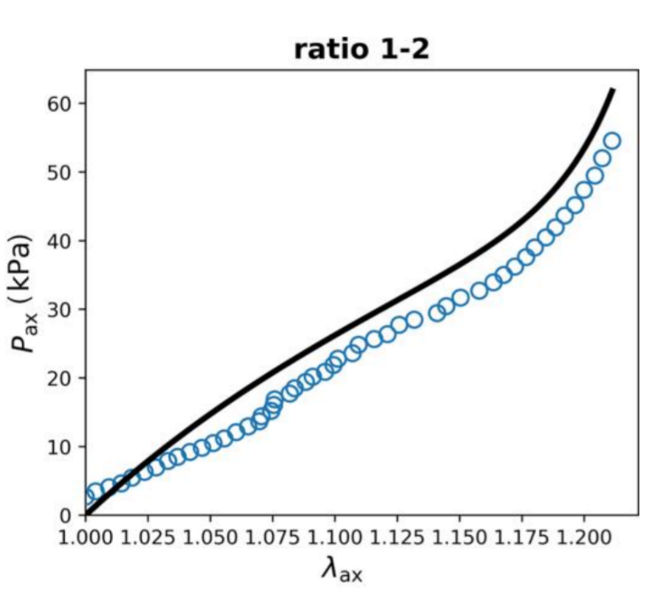
1.008 | 3.61379915
1.012 | 4.488617502
1.016 | 4.7445337643
1.02 | 5.0674598769
1.024 | 6.1931707552
1.028 | 7.092840072
1.032 | 7.9463068813
1.036 | 8.149978841
1.04 | 8.8944342523
1.044 | 9.2766470899
1.048 | 9.8923397397
1.052 | 10.366404177
1.056 | 10.834666307
1.06 | 11.945650085
1.064 | 12.652880672
1.068 | 13.443520404
1.072 | 14.3161225
1.076 | 16.100561526 | First column represents Stretch(mm/mm), and the second column represents Stress (KPa)
1.08 | 17.471734582
1.084 | 17.904993913
1.088 | 20.025873663
1.092 | 20.247204812
1.096 | 21.897077078
1.1 | 22.698698481
1.104 | 23.333661611
1.108 | 24.398141614
1.112 | 24.786341684
1.116 | 25.367418863
1.12 | 26.225927816
1.124 | 26.885792946
1.128 | 27.594113282
1.132 | 28.197067802
1.136 | 28.625320547
1.14 | 29.325734935
1.144 | 29.729753025
1.148 | 30.905030557
1.152 | 31.606751
1.156 | 32.67456465
1.16 | 32.695237747
1.164 | 34.002679199
1.168 | 35.094386091
1.172 | 35.891130423
1.176 | 37.105073515
1.18 | 37.96085265
1.184 | 40.170302843
1.188 | 40.973704979
1.192 | 42.454616119
1.196 | 45.776211554

